Point Plot
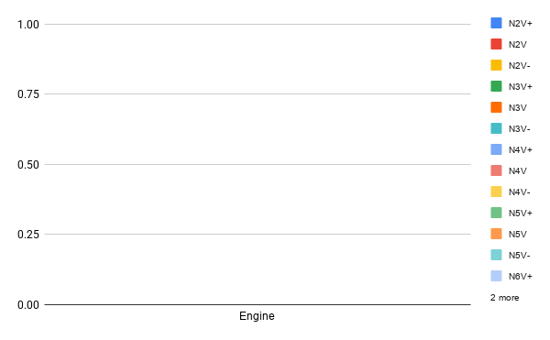
 | Engine |  | Propeller
N2V+ | Point | 140.3,216.148558114636 | Point | 70.15,216.148558114636
N2V | Point | 140.3,227.524798015407 | Point | 70.15,227.524798015407
N2V- | Point | 140.3,238.901037916177 | Point | 70.15,238.901037916177
N3V+ | Point | 140.3,432.297116229273 | Point | 70.15,432.297116229273
N3V | Point | 140.3,455.049596030814 | Point | 70.15,455.049596030814
N3V- | Point | 140.3,477.802075832354 | Point | 70.15,477.802075832354
N4V+ | Point | 140.3,648.44567434391 | Point | 70.15,648.44567434391
N4V | Point | 140.3,682.574394046221 | Point | 70.15,682.574394046221
N4V- | Point | 140.3,716.703113748532 | Point | 70.15,716.703113748532
N5V+ | Point | 140.3,864.594232458546 | Point | 70.15,864.594232458546
N5V | Point | 140.3,910.099192061627 | Point | 70.15,910.099192061627
N5V- | Point | 140.3,955.604151664709 | Point | 70.15,955.604151664709
N6V+ | Point | 140.3,1080.74279057318 | Point | 70.15,1080.74279057318
N6V | Point | 140.3,1137.62399007703 | Point | 70.15,1137.62399007703
N6V- | Point | 140.3,1194.50518958089 | Point | 70.15,1194.50518958089

N2H+ | Point | 140.3,324.222837171955 | Point | 70.15,324.222837171955
N2H | Point | 140.3,341.28719702311 | Point | 70.15,341.28719702311
N2H- | Point | 140.3,358.351556874266 | Point | 70.15,358.351556874266
N3H+ | Point | 140.3,648.44567434391 | Point | 70.15,648.44567434391
N3H | Point | 140.3,682.574394046221 | Point | 70.15,682.574394046221
N3H- | Point | 140.3,716.703113748532 | Point | 70.15,716.703113748532
N4H+ | Point | 140.3,972.668511515864 | Point | 70.15,972.668511515864
N4H | Point | 140.3,1023.86159106933 | Point | 70.15,1023.86159106933
N4H- | Point | 140.3,1075.0546706228 | Point | 70.15,1075.0546706228
N5H+ | Point | 140.3,1296.89134868782 | Point | 70.15,1296.89134868782
N5H | Point | 140.3,1365.14878809244 | Point | 70.15,1365.14878809244
N5H- | Point | 140.3,1433.40622749706 | Point | 70.15,1433.40622749706

